Sheet1
 |  | Roman: 0.8.5 win 64-bit (2016-01-11), Windows 7 64-bit, Java jdk1.8.0_66 64-bit |  |  | Roman: 0.8.5 win 64-bit (2016-01-12), Windows 7 64-bit, Java jdk1.8.0_66 64-bit |  |  | Sascha: 0.8.5 Linux 64-bit (2016-01-12), Ubuntu 14.04.1 64-bit, Java 1.7.0_65 64-bit
Scenario Nr | Name | Result | Comment | Actions | Result | Comment | Actions | Result | Comment | Actions
1 | Log in (initial model download) | pass | new repository configuration window | -> test scenarios | pass |  |  | pass | new repository configuration window
2 | Start using local data (no log in required) | pass |  |  | pass |  |  | pass
3 | Saving changes in the local model | pass |  |  | pass |  |  | pass
4 | Switching between no login (local data) to login(repository connection) | pass | new message; yes - local data saved, no - data from the repository restored | changed | pass |  |  | pass/? | After testing "yes", I'm not able to test "no" as it is only asking the first time. But changes can be reverted using the revert all button. | check whether test can be done after switchting from local mode to repository and back
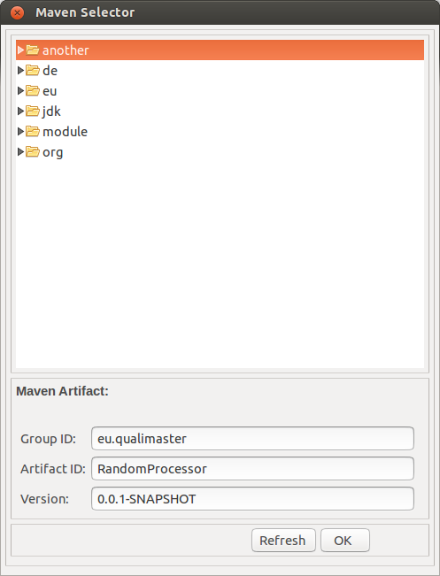
5 | Saving by using CTRL+S and Model|Save All | pass |  |  | pass |  |  | pass | Ctrl + Shift + S works also for saving all, but it does not ask. However, this is not part of the testing protocol. | no action
6 | Selecting an Artifact | pass | Cancel instead of Close; when artifact selected in the file tree UI selection jumps to the nesting folder, might be confusing | -> test scenarios | pass |  |  | fail | First time when I clicked on browse the artifact tree did not opened (tested on Random Sink), afterwards it opened every time. OK works Cancel/Close button is missing, I need to click on X. Refresh brings me to the root of the tree and closes all member. Thus, I'm lost and I do not know how to navigate back to the qualimaster artifacts.
7 | Selecting an Artifact (Pipeline Editor) | fail | artifact can be selected but is not saved (editor is not set dirty) | file issue | pass | Selection is possible, but the editor is set dirty after clicking on pipeline editor fieldthen it is possible to save. |  |  |  | issue #44
8 | Reverting all changes | pass |  |  | pass |  |  | error in test specification | Revert|all does not exist in scenario 2 (local mode) | adjust test spec
9 | Adding a new Type, General-purpose Machine, Reconfigurable Hardware Machine, Data Management, Algorithm Family, or Algorithm | pass |  |  | pass |  |  | pass
10 | Configuring a new Type, General-purpose Machine, Reconfigurable Hardware Machine, Data Management, Algorithm Family, or Algorithm | pass | if machine name is set to "roman" then displayed as "ports" in the view; attribute fileds in the UI of a new added Data Management and Algorithms are smaller | file issue, see also issue #34 | pass | For GP Machines name in the view changes only after restarting app; attribute fileds in the UI of a new added Data Management and Algorithms are smaller; | issue #42 | pass
11 | Editing a Type, General-purpose Machine, Reconfigurable Hardware Machine, Data Management, Algorithm Family, or Algorithm | pass |  |  | pass |  |  | pass
12 | Deleting a Type, General-purpose Machine, Reconfigurable Hardware Machine, Data Management, Algorithm Family, or Algorithm | pass |  |  | pass |  |  | fail | Deleted element, and directly re-added a new element. This new element is shown inside the TreeView as "ports" independently of ist real name. The name will be displayed corectly after a restart of the tool. | issue #42
13 | Cloning a Type, General-purpose Machine, Reconfigurable Hardware Machine, Data Management, Algorithm Family, Algorithm | pass |  |  | pass |  |  | pass
14 | Copying input/output fields | pass | for algorithms not clear what to copy from data managemet elements (input of output); nothing can be copied from algorithms; | ok for now | pass | From sink only output, from source input; when copying it does not add but replaces all fields you already have; | deferred | pass
15 | Adding a pipeline | pass |  |  | pass |  |  | pass
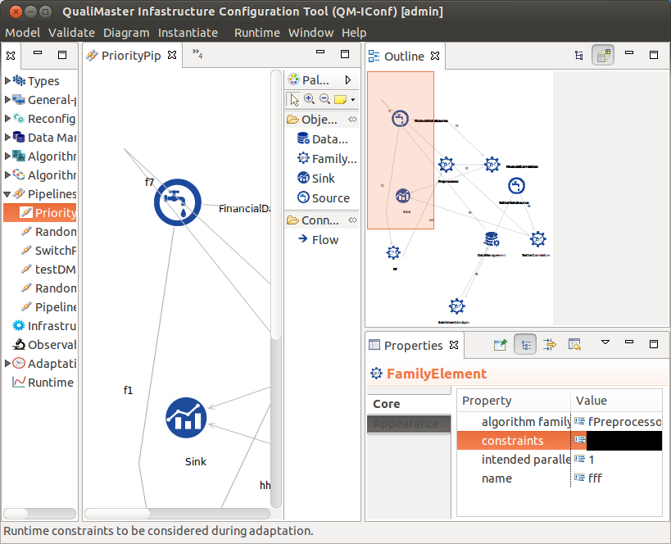
16 | Deleting a pipeline | pass |  |  | pass |  |  | pass
17 | Using the Graphical Pipeline Editor | pass |  |  | pass |  |  | pass | Unclear what "connect Family Element to remaining pipeline" means. Which part of the pipeline? | clarify test spec
18 | Defining / changing constraints | pass/fail | only for data management and pipeline elements; in pipelines only add and remove constraints, can not save, constraint not checked; |  | pass/fail | Algorithm Family do not have constraints in UI (changed document); in Pipeline Editor possible to add constraint for all elements(after adding click on the diagram space to set editor dirty); in Pipeline editorconstraints not check for syntax (name > 1 can be added) | issue #43 | fail | Pipeline editor does not work, if I click into the properties editor, the cell will only be black I do not find the configurable constraints inside the other editors. Needed help from Roman to find Constraint editor in ohter editors (only available for sources). Added constraint "name.size() > 100" to RandomSource, saved, and pressed validate -> No error detected. | issue #43
19 | Help texts for configuration entries | pass |  |  | pass |  |  | pass
20 | Help texts for configuration sections | pass |  |  | pass |  |  | pass
21 | Validating the model | pass |  |  | pass |  |  | pass
21--1 | No manager is assigned in Machines | pass | nimbus1.sse.local is also a manager so only 1 error found | -> test scenarios | pass |  |  | fail | role is not decorated, everything else is decorated correctly | issue #45
21--2 | Input/output mismatch in Algorithm Families and Algorithms | pass |  |  | pass |  |  | pass
21--3 | Input/output mismatch between Family Elements | pass | in the editor elements stay maked red after error is fixed and validation was ok | see also issue #38 | pass |  |  | pass
22 | Instantiating | pass |  |  | pass |  |  | pass

